Sheet1
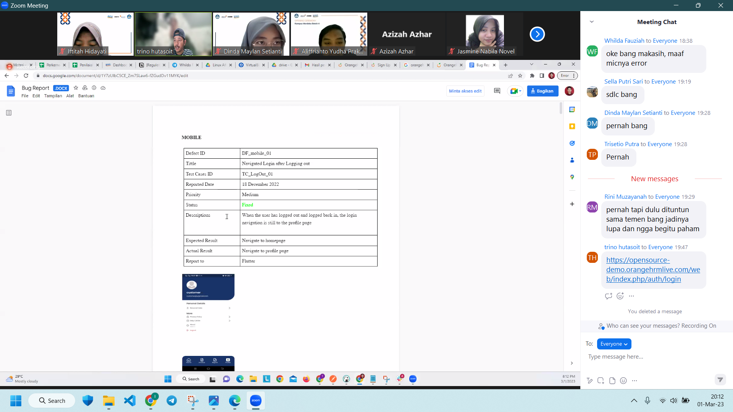
WEBSITE
Defect ID | DF_Web_01 | Defect ID | DF_Web_02 | Defect ID | DF_Web_02
Title | Navigated Requirements after being on the requirements page | Title | Navigated Requirements after being on the requirements page | Title | Navigated Requirements after being on the requirements page
Test cases ID | TC_Requirement_01 | Test cases ID | TC_Requirement_02 | Test cases ID | TC_Requirement_02
Reported Date | 01/03/2023 | Reported Date | 01/03/2023 | Reported Date | 01/03/2023
Priority | Medium | Priority | Medium | Priority | Medium
Status | Fixed | Status | Fixed | Status | Fixed
Descriptions | when the user accesses the requirements page, there is an error notification "expected error occurred" after clicking on the requirements menu | Descriptions | When the user click add button to enter data candidate in requirements page, the add navigation to the white screen page | Descriptions | When the user click add button to enter data candidate in requirements page, the add navigation to the white screen page
Expected Result | there is no error notification when accessing the requirements menu | Expected Result | navigate to white screen page | Expected Result | navigate to white screen page
Actual Result | there is an error notification when accessing the requirements menu | Actual Result | navigate to requirement page with adding data in the candidate table | Actual Result | navigate to requirement page with adding data in the candidate table
Report to | Laravel | Report to | Laravel | Report to | Laravel
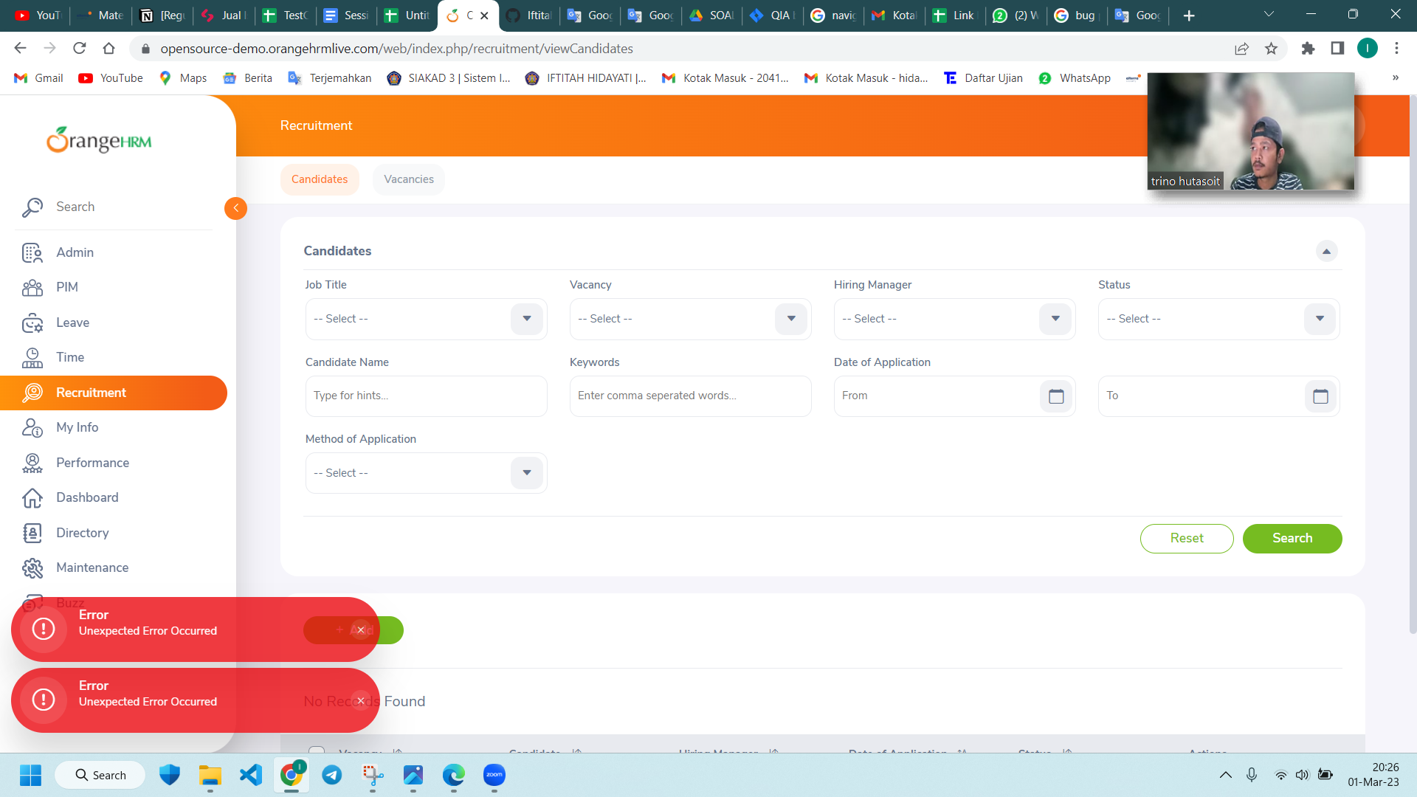
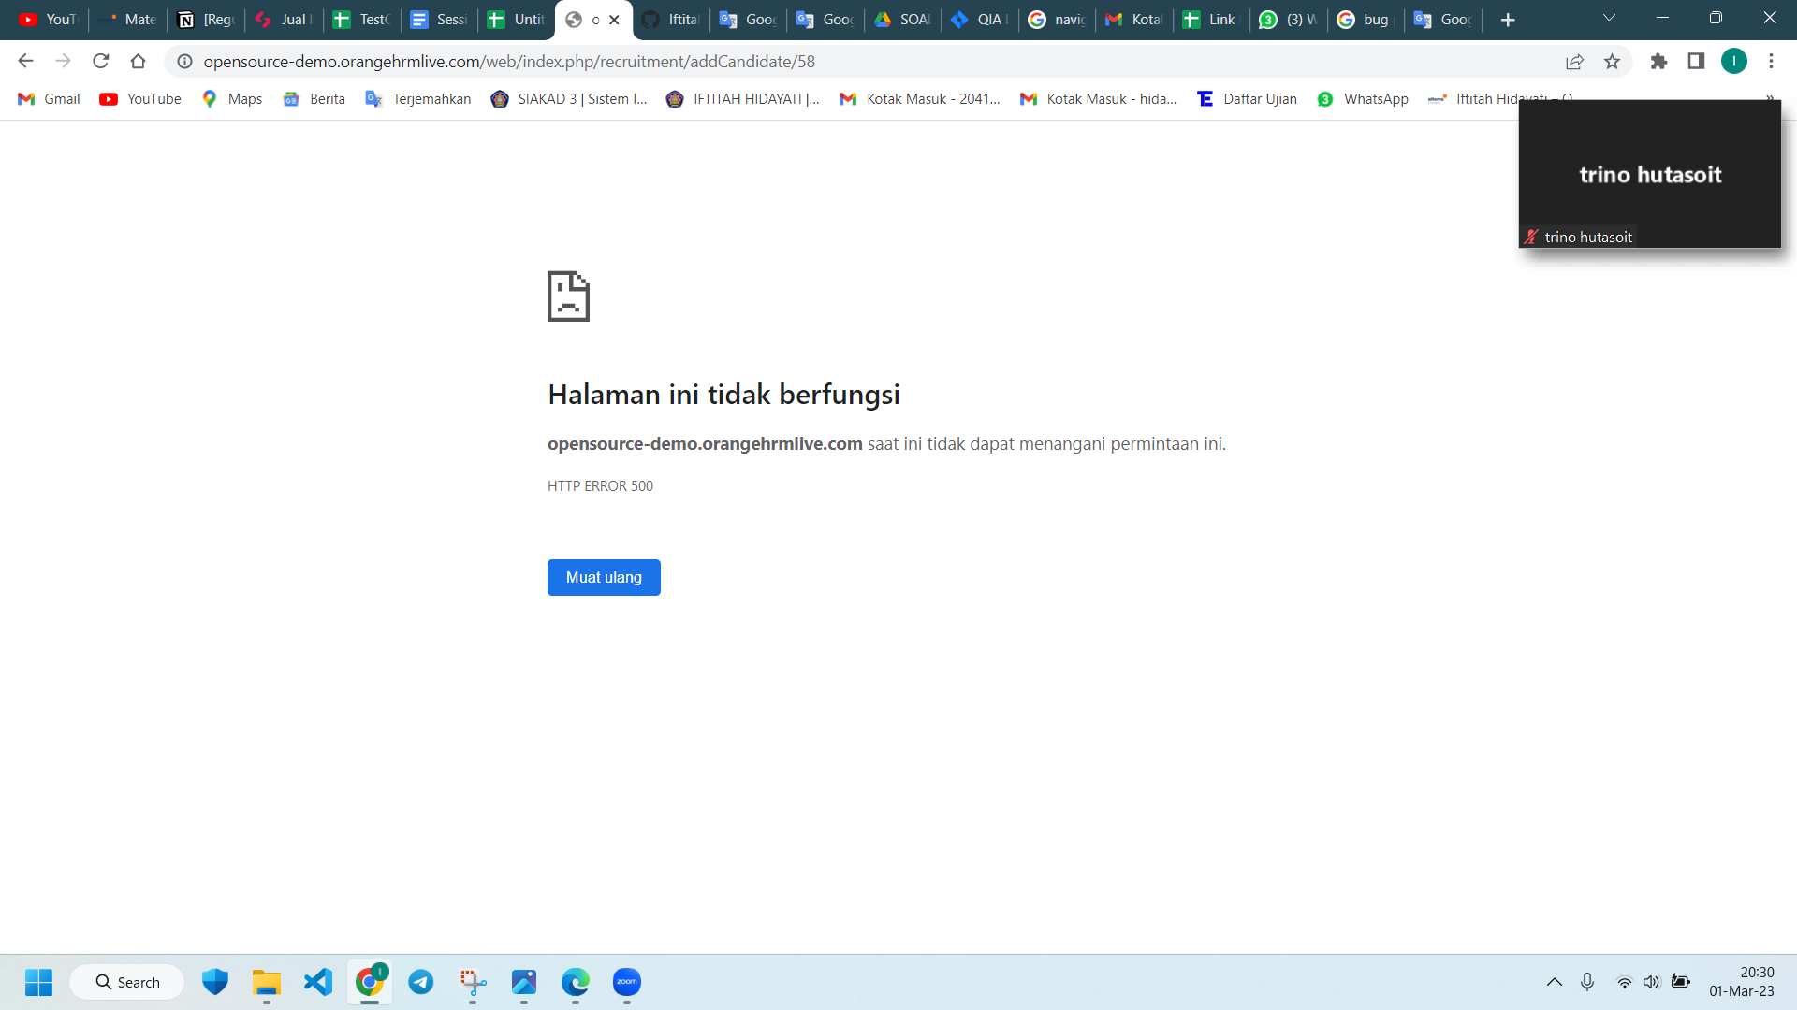

https://opensource-demo.orangehrmlive.com/web/index.php/auth/login

